PTP-11
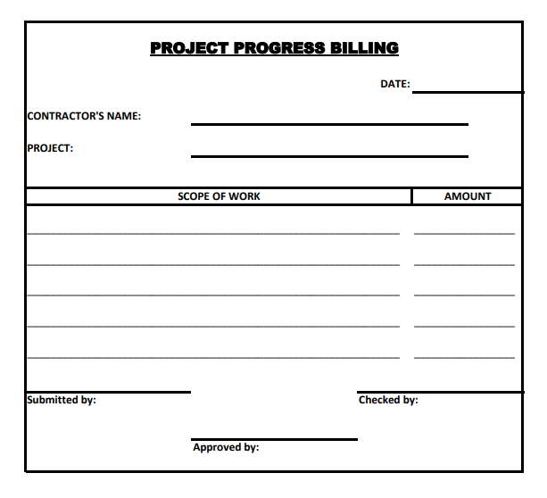

PROJECT PROGRESS BILLING

 |  |  |  |  | DATE: | @ReportDate | Parameter | Project, OPCH.CardName

CONTRACTOR'S NAME | OPCH.Cardname

PROJECT | OPCH, Project

SCOPE OF WORK |  |  |  | AMOUNT
PCH1,Dscription |  |  |  | PCH1.Gtotal

SUBMITTED BY: |  |  | CHECKED BY:

 |  | APPROVED BY:

PTP-2
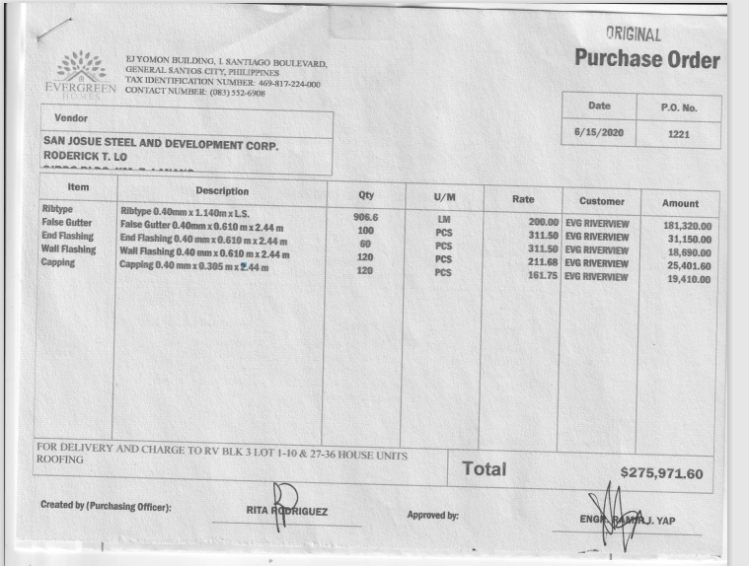

 |  | EJ YOMON BUILDING I. SANTIAGO BOULEVARD, |  |  |  | PURCHASE ORDER
 |  | GENERAL SANTOS CITY, PHILIPPINES
 |  | TAX IDENTIFICATION NUMBER : 469-817-224-000 |  |  |  | DATE | P.O No.
 |  | CONTACT NUMBER: (083) 552-6908 |  |  |  | OPOR.DocDate | OPOR.DocNum

VENDOR
OPOR.CardName

Item | Description | Qty | U/M | Rate | Customer | Amount
POR1.ItemCode | POR1.Dscription | POR1.Quantity | POR1.UomCode | POR1.Price | OPOR.Project | POR1.LineTotal
 |  |  |  |  | TOTAL | Sum(POR1.LineTotal)

Created by (Purchasing Officer) |  |  | OPOR.OwnerCode |  | Approved by:

PTP-5
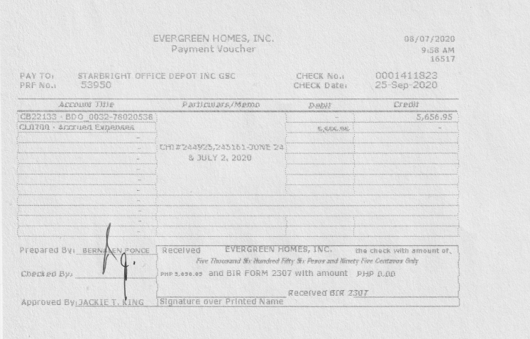
EVERGREEN HOMES, INC.
Payment Voucher

PAY TO | OVPM.CardName |  |  | CHECK NO. | New UDF in Outgoing Payment
PRF NO. | OVPM.DocNum |  |  | CHECK Date: | RCT1.DueDate

Account Title |  | Particulars/Memo |  | Debit | Credit
OACT.AcctName |  | OVPM.Comments |  | JDT1.Debit
OACT.AcctName |  |  |  |  | JDT1.Credit

Prepared By: |  |  | Received from EVERGREEN HOMES, INC. the check with the amount of PHP JDT1.Debit and BIR FORM 2307 with amount PHP xxxxx.

Checked By:

 |  |  |  | Received BIR 2307
Approved By: |  |  | Signature over Printed Name

PTP-10
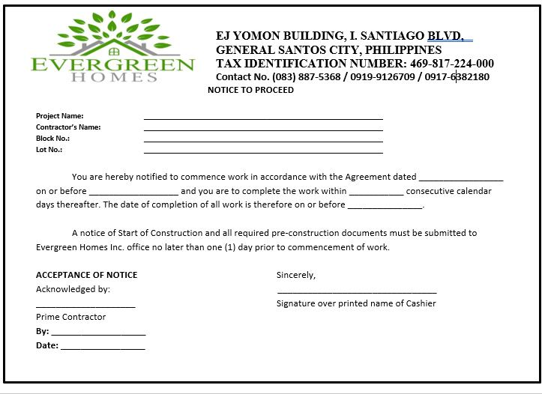
 |  |  | EJ YOMON BUILDING I. SANTIAGO BOULEVARD,
 |  |  | GENERAL SANTOS CITY, PHILIPPINES
 |  |  | TAX IDENTIFICATION NUMBER : 469-817-224-000
 |  |  | CONTACT NUMBER: (083) 552-6908/0919-9126709/0917-6382180

NOTICE TO PROCEED

Project Name |  | OPOR.Project
Contractor's Name |  | OPOR.CardName
Block No. |  | POR1.U_Dimension4
Lot No.: |  | POR1.U_Dimension5

 | You are hereby notified to commence work in accordance with the Agreement dated ____OPOR.Docdate_____________
on or before ____OPOR.DocDueDate____ and you are to complete the work within ___________ consecutive calendar days thereafter.
The date of completion of all work is therefore on or before _OPOR.DocDueDate_________.

 | A notice of Start of Construction and all required pre-construction documents must be submitted to
Evergreen Homes Inc. office no later than one (1) day prior to commencement of work.

ACCEPTANCE OF NOTICE |  |  |  | Sincerely,
Acknowledged by:
OPOR.CardName |  |  |  | Signature over Printed Name of Cashier
Contractor
By:
Date:

OTC-8
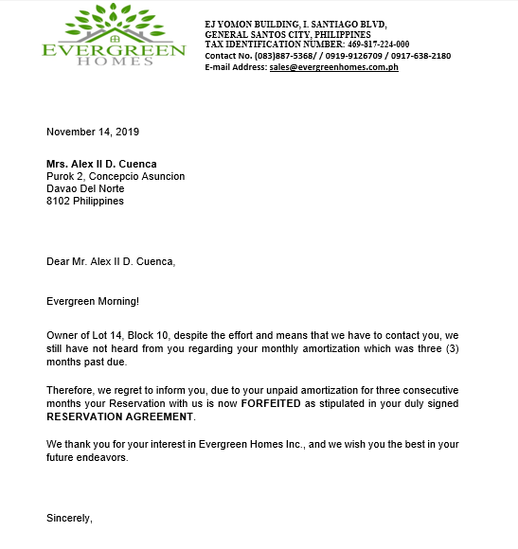
 | EJ YOMON BUILDING I. SANTIAGO BOULEVARD,
 | GENERAL SANTOS CITY, PHILIPPINES
 | TAX IDENTIFICATION NUMBER : 469-817-224-000
 | CONTACT NUMBER: (083) 552-6908/0919-9126709/0917-6382180
 | E-mail Address: sales@evegreenhomes.com.ph

@CurrentDate

ORDR.CardName
CRD1.Address, CRD1.Address2, CRD1.Address3
CRD1.Zipcode
CRD1.Country

Dear ORDR.CardName,

Evergreen Morning!

Owner of RDR1.Dscrption, despite the effort and means that we have to contact you, we
still have not heard from you regarding your monthly amortization which was three (3)
months past due.

Therefore, we regret to inform you, due to your unpaid amortization for three consecutive
months your Reservation with us is now FORFEITED as stipulated in your duly signed
RESERVATION AGREEMENT.

We thank you for your interest in Evergreen Homes Inc., and we wish you the best in your
future endeavors.

Sincerely,

OTC-7
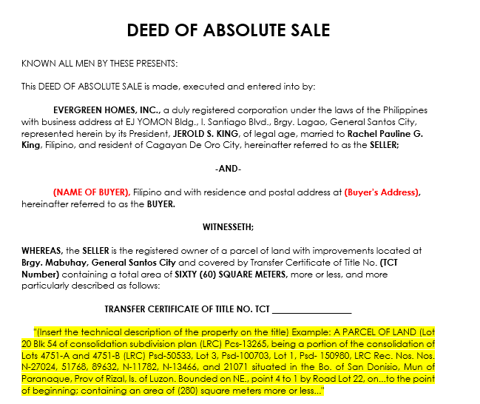
DEED OF ABSOLUTE SALE

KNOWN ALL MEN BY THESE PRESENTS:

This DEED OF ABSOLUTE SALE is made, executed and entered into by:

 | EVERGREEN HOMES, INC., a duly registered corporation under the laws of the Philippines
with business address at EJ YOMON Bldg., I. Santiago Blvd., Brgy. Lagao, General Santos City,
represented herein by its President, JEROLD S. KING, of legal age, married to Rachel Pauline G.
King, Filipino, and resident of Cagayan De Oro City, hereinafter referred to as the SELLER;

 |  |  | -AND-

 | ORDR.CardName, Filipino and with residence and postal address at CRD1.Address,
hereinafter referred to as the BUYER.

 |  |  | WITNESSETH;

WHEREAS, the SELLER is the registered owner of a parcel of land with improvements located at
Brgy. Mabuhay, General Santos City and covered by Transfer Certificate of Title No. (TCT
Number) containing a total area of SIXTY (60) SQUARE METERS, more or less, and more
particularly described as follows:

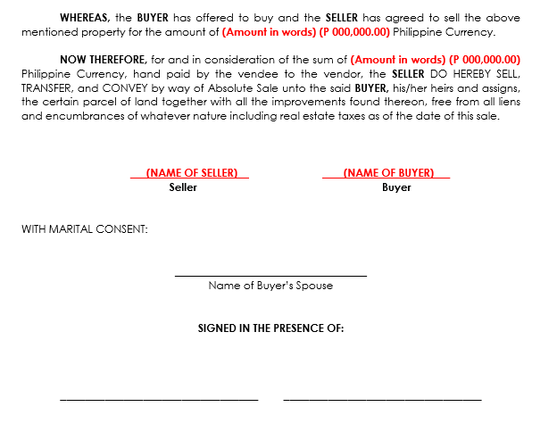
 |  |  |  | TRANSFER CERTIFICATE OF TITLE NO. TCT __________________

 | "(Insert the technical description …......

 | WHEREAS, the BUYER has offered to buy and the SELLER has agreed to sell the above
mentioned property for the amount of (Amount in words) (ORDR.DocCur ORDR.DocTotal) Philippine Currency.

 | NOW THEREFORE, for and in consideration of the sum of (Amount in words) (ORDR.DocCur ORDR.DocTotal)
Philippine Currency, hand paid by the vendee to the vendor, the SELLER DO HEREBY SELL,
TRANSFER, and CONVEY by way of Absolute Sale unto the said BUYER, his/her heirs and assigns,
the certain parcel of land together with all the improvements found thereon, free from all liens
and encumbrances of whatever nature including real estate taxes as of the date of this sale.

JEROLD S. KING |  |  |  | ORDR.CardName
 |  | Seller |  |  | Buyer

WITH MARITAL CONSENT:

 |  |  |  | Name of Buyer’s Spouse

 |  |  |  | SIGNED IN THE PRESENCE OF:

PTP-6
EVERGREEN HOMES INC.
CHECK PRINTING STATUS REPORT
Date Covered: '@ReportDate
Check No. | BANK | Account No. | Check Date | OP Doc No. | OP Doc Date | Payee | Check Amount | Printed
VPM1.CheckNum | VPM1.BankCode | VPM1.AcctNum | VPM1.DueDate | OPCH.DocNUm | OPCH.DocDate | OVPM.CardName | VPM1.CheckSum | OCHO.Printed

INSERT LOGO HERE
EVERGREEN HOMES INC.
CHECK PRINTING STATUS REPORT
Date Covered: SEPTEMBER 1 - SEPTEMBER 22, 2020

Check No. | BANK | Account No. | Check Date | OP Doc No. | OP Doc Date | Payee | Check Amount | Printed
0001212123 | BDO | 3278020538 | 2020-10-01 | 675 | 2020-10-01 | JEROLD S. KING | 50,000.00 | YES
0001212124 | BDO | 3278020538 | 2020-09-05 | 676 | 2020-09-05 | DADIANGAS GLASS AND CONSTRUCTION DEPOT | 1,200.00 | NO
0001212125 | BDO | 3278020538 | 2020-09-11 | 678 | 2020-09-11 | JKA | 5,000.00 | YES

PTP-8
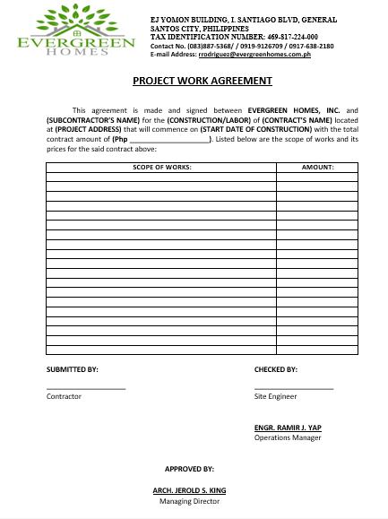
 |  |  | EJ YOMON BUILDING I. SANTIAGO BOULEVARD,
 |  |  | GENERAL SANTOS CITY, PHILIPPINES
 |  |  | TAX IDENTIFICATION NUMBER : 469-817-224-000
 |  |  | CONTACT NUMBER: (083) 552-6908/0919-9126709/0917-6382180
 |  |  | E-mail Address: sales@evegreenhomes.com.ph

PROJECT WORK AGREEMENT

 | This agreement is made and signed between EVERGREEN HOMES, INC. and
OPOR.CardName for the (CONSTRUCTION/LABOR) of OPOR.Project located
at OPOR.Addres2 that will commence on OPOR.DocDate with the total
contract amount of (POR1.Currency POR1.GTotal ). Listed below are the scope of works and its
prices for the said contract above:

SCOPE OF WORKS: |  |  |  | AMOUNT:
POR1.Dscrption |  |  |  | POR1.LineTotal

SUBMITTED BY: |  |  |  | CHECKED BY:
OPOR.CardName
Contractor |  |  |  | Site Engineer

 |  |  |  | ENGR. RAMIR J. YAP
 |  |  |  | Operations Manager

 |  | APPROVED BY:

 |  | ARCH. JEROLD S. KING
 |  | Managing Director

OTC-2-Riverview
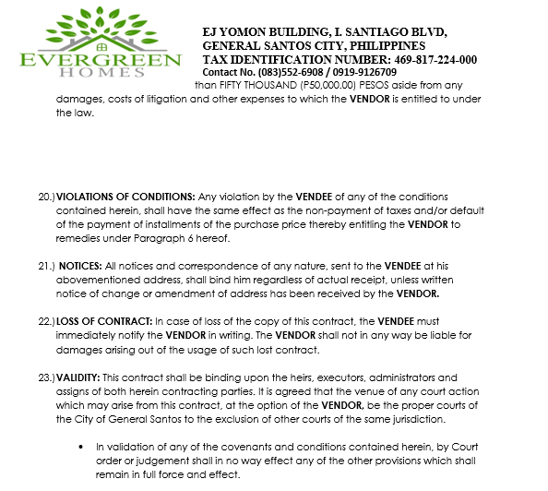
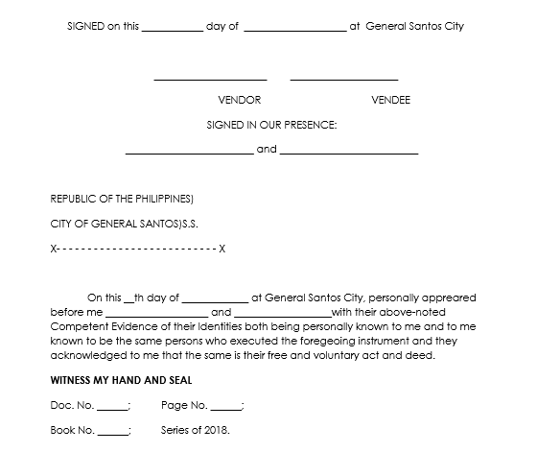
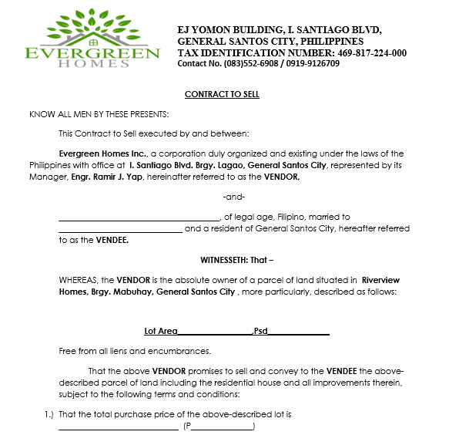
 |  |  |  | EJ YOMON BUILDING I. SANTIAGO BOULEVARD,
 |  |  |  | GENERAL SANTOS CITY, PHILIPPINES
 |  |  |  | TAX IDENTIFICATION NUMBER : 469-817-224-000
 |  |  |  | CONTACT NUMBER: (083) 552-6908/0919-9126709

 | CONTRACT TO SELL

 | KNOW ALL MEN BY THESE PRESENTS:

 |  | This Contract to Sell executed by and between:

 |  | Evergreen Homes Inc., a corporation duly organized and existing under the laws of the
 | Philippines with office at I. Santiago Blvd. Brgy. Lagao, General Santos City, represented by its
 | Manager, Engr. Ramir J. Yap, hereinafter referred to as the VENDOR,

 | -and-

 | _______ORDR.CardName____________, of legal age, Filipino, married to
 | ______________________________ and a resident of General Santos City, hereafter referred
 | to as the VENDEE.

 |  |  |  | WITNESSETH: That –

 | WHEREAS, the VENDOR is the absolute owner of a parcel of land situated in Riverview
 | Homes, Brgy. Mabuhay, General Santos City , more particularly, described as follows:
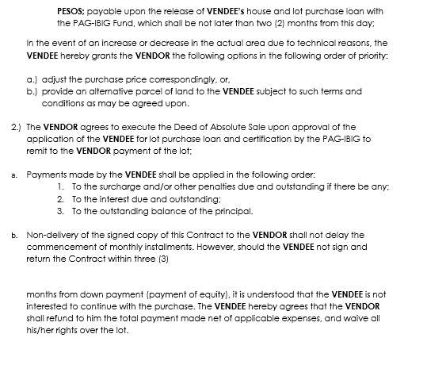

 | Lot Area__ITM13.AttriTxt1______,Psd____ITM13.AttriTxt1___________

 | Free from all liens and encumbrances.

 | That the above VENDOR promises to sell and convey to the VENDEE the above-
 | described parcel of land including the residential house and all improvements therein,
 | subject to the following terms and conditions:

 | 1.) That the total purchase price of the above-described lot is
 | _Amount in Words___(ORDR.DocCur where ORDR.Project='Riverview'_ORDR.DocTotal where ORDR.Project='Riverview'________)

 |  | PESOS; payable upon the release of VENDEE’s house and lot purchase loan with
 |  | the PAG-IBIG Fund, which shall be not later than two (2) months from this day;

 | In the event of an increase or decrease in the actual area due to technical reasons, the
 | VENDEE hereby grants the VENDOR the following options in the following order of priority:

 |  | a.) adjust the purchase price correspondingly, or,
 |  | b.) provide an alternative parcel of land to the VENDEE subject to such terms and
 |  | conditions as may be agreed upon.

 | 2.) The VENDOR agrees to execute the Deed of Absolute Sale upon approval of the
 | application of the VENDEE for lot purchase loan and certification by the PAG-IBIG to
 | remit to the VENDOR payment of the lot;
PLEASE REFER TO OTC-2-2-RW FOR SUCCEEDING PAGES
 | a. Payments made by the VENDEE shall be applied in the following order:
 |  | 1. To the surcharge and/or other penalties due and outstanding if there be any;
 |  | 2. To the interest due and outstanding;
 |  | 3. To the outstanding balance of the principal.

 | b. Non-delivery of the signed copy of this Contract to the VENDOR shall not delay the
 | commencement of monthly installments. However, should the VENDEE not sign and
 | return the Contract within three (3)

 | months from down payment (payment of equity), it is understood that the VENDEE is not
 | interested to continue with the purchase. The VENDEE hereby agrees that the VENDOR
 | shall refund to him the total payment made net of applicable expenses, and waive all
 | his/her rights over the lot.

LAST PAGE:

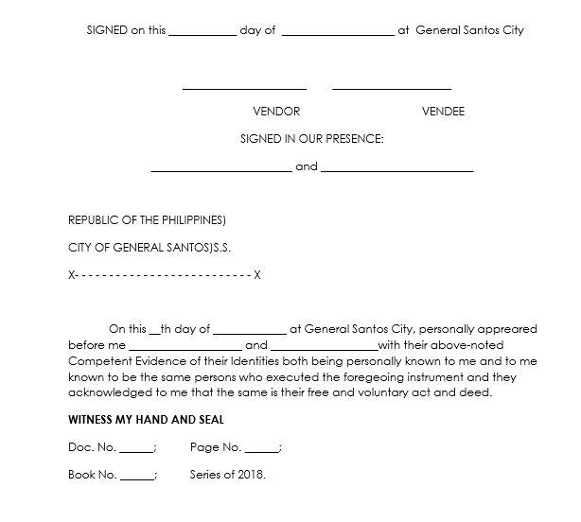
 | SIGNED on this ____________ day of ____________________ at General Santos City

 |  | Engr. Ramir J. Yap |  |  | ORDR.CardName
 |  |  | VENDOR |  |  | VENDEE

 |  |  | SIGNED IN OUR PRESENCE:

 |  |  |  | and

 | REPUBLIC OF THE PHILIPPINES)

 | CITY OF GENERAL SANTOS)S.S.

 | X- - - - - - - - - - - - - - - - - - - - - - - - - - X

 |  |  | On this __th day of _____________ at General Santos City, personally appreared
 | before me ____________________ and ___________________with their above-noted
 | Competent Evidence of their Identities both being personally known to me and to me
 | known to be the same persons who executed the foregeoing instrument and they
 | acknowledged to me that the same is their free and voluntary act and deed.

 | WITNESS MY HAND AND SEAL

 | Doc. No. ______; |  | Page No. ______;

 | Book No. ______; |  | Series of 2018.

OTC-2-2-RW
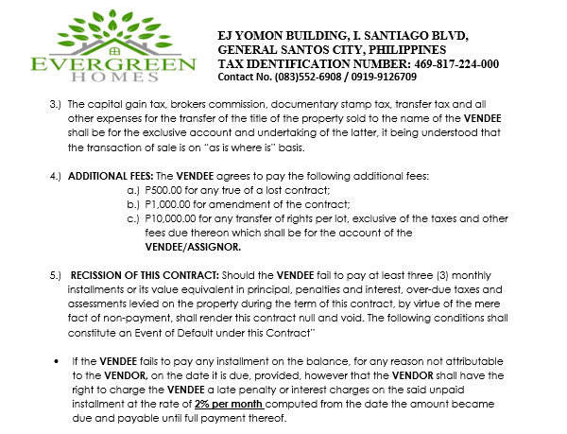
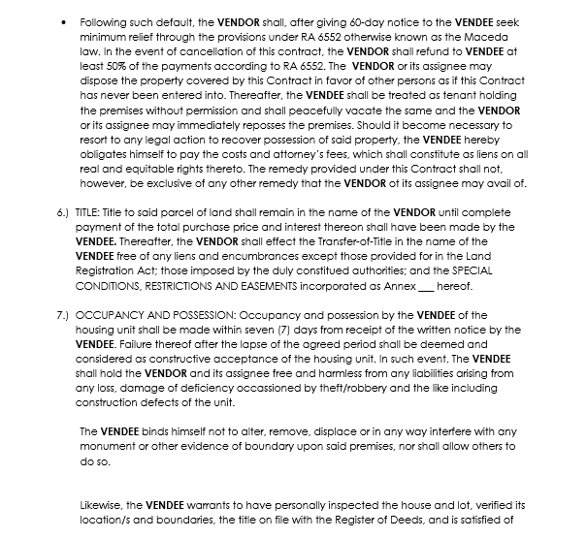
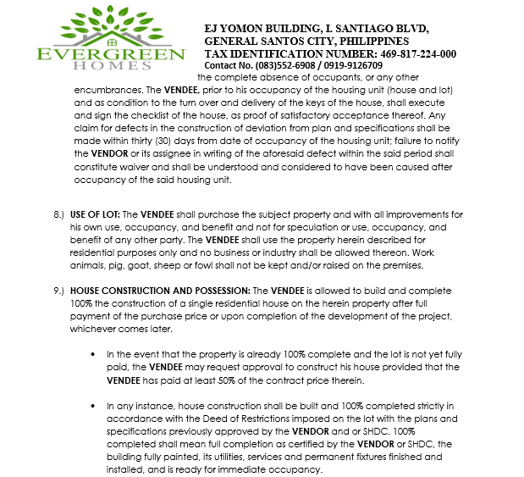
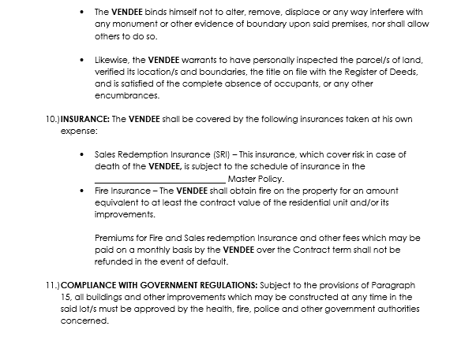
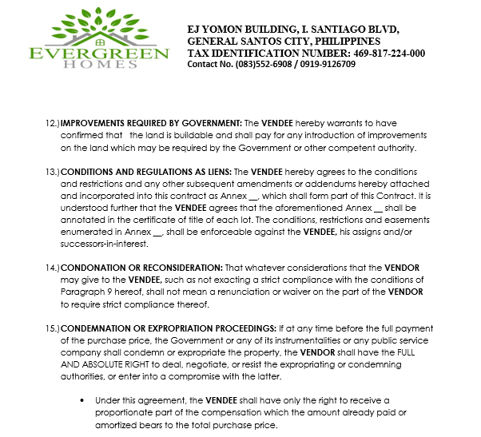
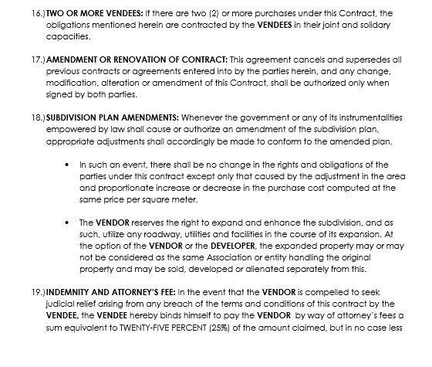
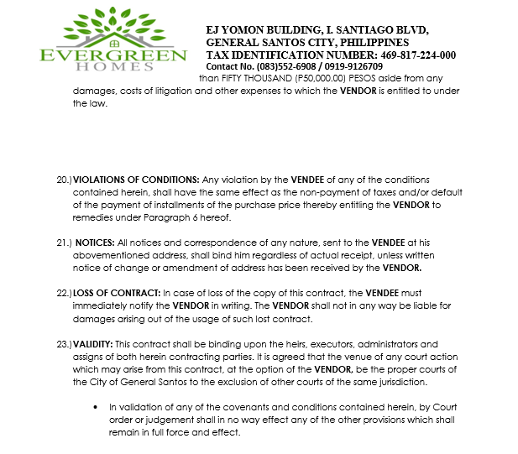

OTC-2-Southwoods
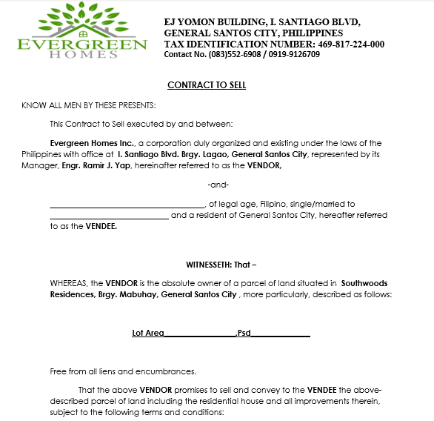
 |  |  | EJ YOMON BUILDING I. SANTIAGO BOULEVARD,
 |  |  | GENERAL SANTOS CITY, PHILIPPINES
 |  |  | TAX IDENTIFICATION NUMBER : 469-817-224-000
 |  |  | CONTACT NUMBER: (083) 552-6908/0919-9126709

 | CONTRACT TO SELL

 | KNOW ALL MEN BY THESE PRESENTS:

 |  | This Contract to Sell executed by and between:

 |  | Evergreen Homes Inc., a corporation duly organized and existing under the laws of the
 | Philippines with office at I. Santiago Blvd. Brgy. Lagao, General Santos City, represented by its
 | Manager, Engr. Ramir J. Yap, hereinafter referred to as the VENDOR,

 | -and-

 | _______ORDR.CardName____________, of legal age, Filipino, married to
 | ______________________________ and a resident of General Santos City, hereafter referred
 | to as the VENDEE.

 |  |  |  | WITNESSETH: That –

 | WHEREAS, the VENDOR is the absolute owner of a parcel of land situated in Southwoods
 | Residences, Brgy. Mabuhay, General Santos City , more particularly, described as follows:

 | Lot Area__ITM13.AttriTxt1______,Psd____ITM13.AttriTxt1___________
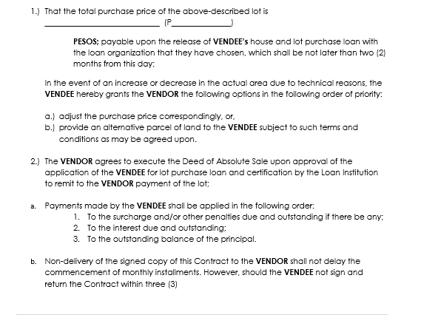
 | Free from all liens and encumbrances.

 | That the above VENDOR promises to sell and convey to the VENDEE the above-
 | described parcel of land including the residential house and all improvements therein,
 | subject to the following terms and conditions:

 | 1.) That the total purchase price of the above-described lot is
 | _Amount in Words___(ORDR.DocCur where ORDR.Project='Southwoods'_ORDR.DocTotal where ORDR.Project='Southwoods'________)

 |  | PESOS; payable upon the release of VENDEE’s house and lot purchase loan with
 |  | the PAG-IBIG Fund, which shall be not later than two (2) months from this day;

 | In the event of an increase or decrease in the actual area due to technical reasons, the
 | VENDEE hereby grants the VENDOR the following options in the following order of priority:

 |  | a.) adjust the purchase price correspondingly, or,
 |  | b.) provide an alternative parcel of land to the VENDEE subject to such terms and
 |  | conditions as may be agreed upon.

 | 2.) The VENDOR agrees to execute the Deed of Absolute Sale upon approval of the
 | application of the VENDEE for lot purchase loan and certification by the PAG-IBIG to
 | remit to the VENDOR payment of the lot;
PLEASE REFER TO OTC-2-2-SW FOR SUCCEEDING PAGES
 | a. Payments made by the VENDEE shall be applied in the following order:
 |  | 1. To the surcharge and/or other penalties due and outstanding if there be any;
 |  | 2. To the interest due and outstanding;
 |  | 3. To the outstanding balance of the principal.

 | b. Non-delivery of the signed copy of this Contract to the VENDOR shall not delay the
 | commencement of monthly installments. However, should the VENDEE not sign and
 | return the Contract within three (3)
LAST PAGE

 | SIGNED on this ____________ day of ____________________ at General Santos City

 |  | Engr. Ramir J. Yap |  |  | ORDR.CardName
 |  |  | VENDOR |  |  | VENDEE

 |  |  | SIGNED IN OUR PRESENCE:

 |  |  |  | and

 | REPUBLIC OF THE PHILIPPINES)

 | CITY OF GENERAL SANTOS)S.S.

 | X- - - - - - - - - - - - - - - - - - - - - - - - - - X

 |  |  | On this __th day of _____________ at General Santos City, personally appreared
 | before me ____________________ and ___________________with their above-noted
 | Competent Evidence of their Identities both being personally known to me and to me
 | known to be the same persons who executed the foregeoing instrument and they
 | acknowledged to me that the same is their free and voluntary act and deed.

 | WITNESS MY HAND AND SEAL

 | Doc. No. ______; |  | Page No. ______;

 | Book No. ______; |  | Series of 2018.

OTC-2-2-SW
